Sheet1
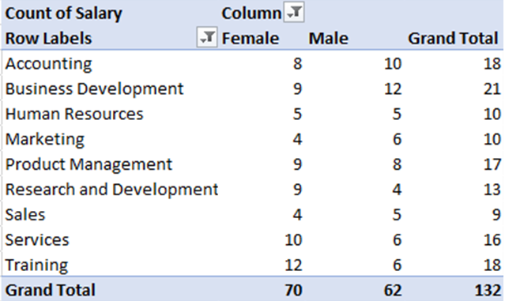
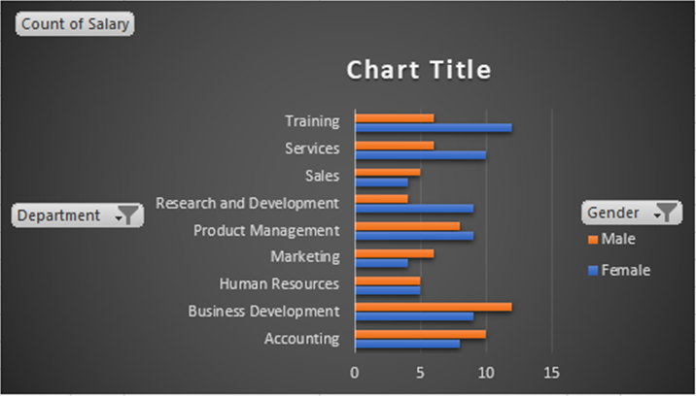
COUNT OF SALARY | FEMALE | MALE | GRAND TOTAL
Accounting | 8 | 10 | 18
Business Development | 9 | 12 | 21
Human Resources | 5 | 5 | 10
Marketing | 4 | 6 | 10
Product Management | 9 | 8 | 17
Research and Development | 9 | 4 | 13
Sales | 4 | 5 | 9
Services | 10 | 6 | 16
Training | 12 | 6 | 18
GRAND TOTAL | 70 | 62 | 132

